Sheet1
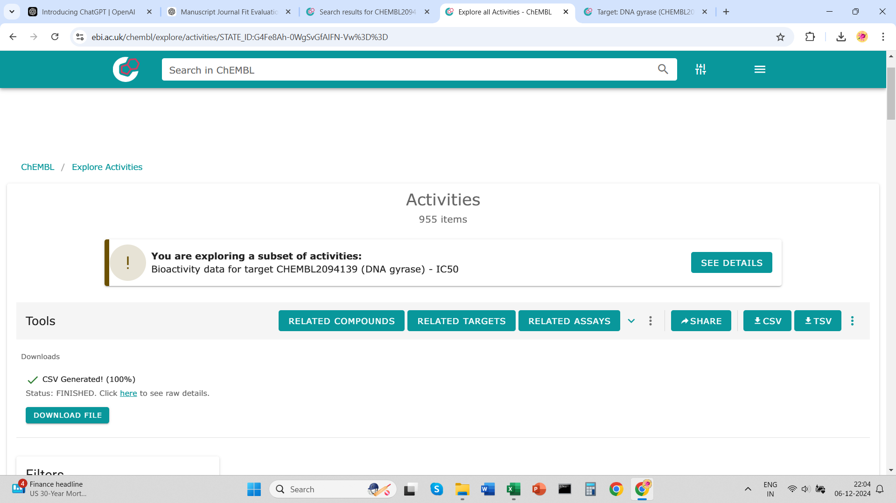
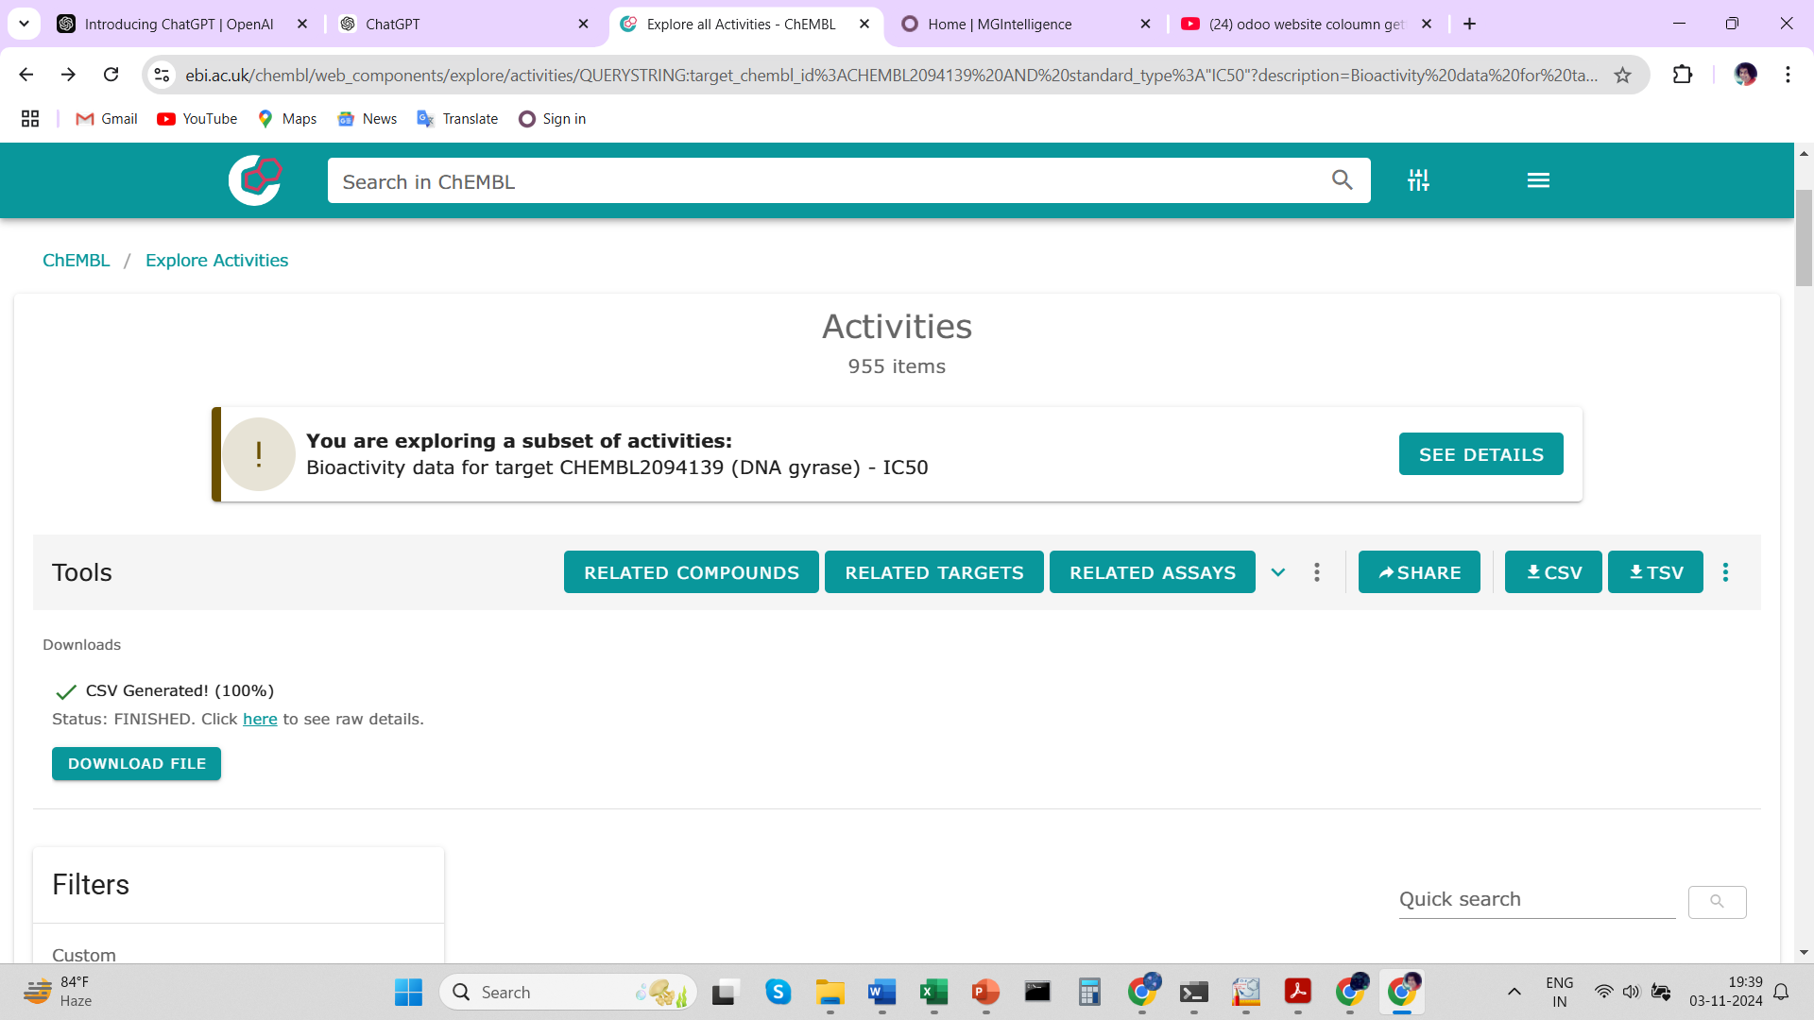

https://www.ebi.ac.uk/chembl/explore/activities/STATE_ID:G4Fe8Ah-0WgSvGfAIFN-Vw%3D%3D

